Sheet1
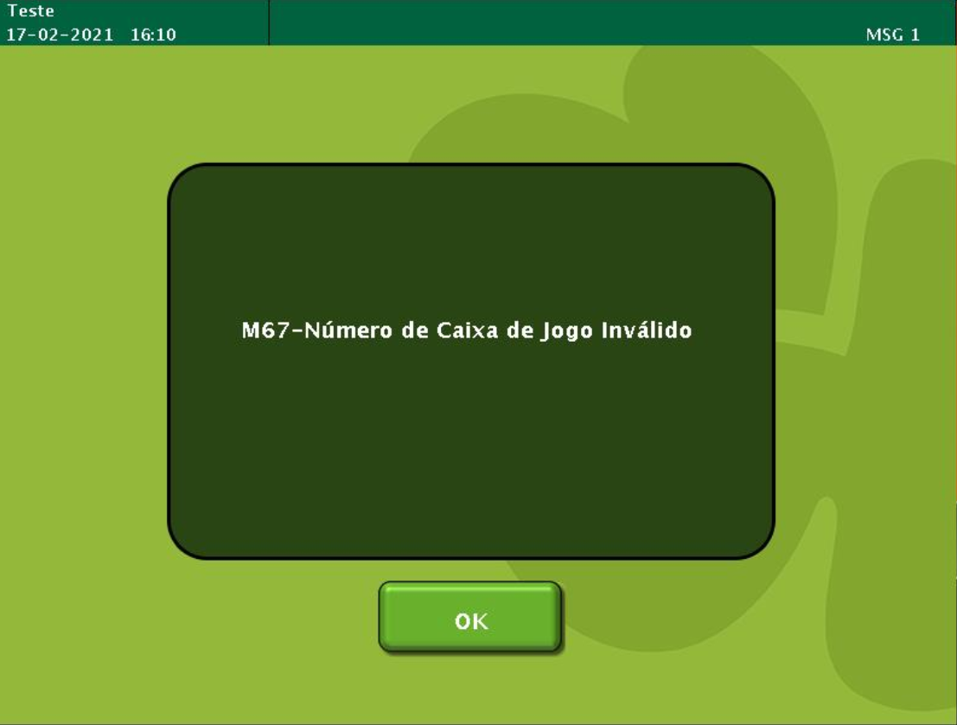
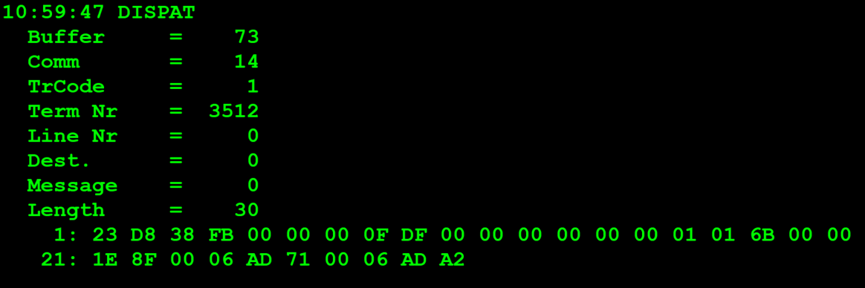
TestByte |  | Size | Field Contents |  | Hex | Bin | Dec
Start | End
1 | 1 | 1 | Control | Sequence | 23 | Control=0010 Sequence=0011 | 2 3 | Control -> x10 - Application Message Sequence -> 3
2 | 2 | 1 | Type = 13 | Subtype = 08 | D8 | Type=1101 Subtype=1000 | Type=13 Subtype=8 | Type = 13 Subtype = 8
3 | 4 | 2 | Checksum |  | .. | .. | .. | ..
5 | 5 | 1 | Statistics[1] |  | 00 |  | 0
6 | 7 | 2 | Option Flags |  | 00 00 |  | 0
8 | 8+n-1 | n | Option Data[2] |  | N | N | N | N
8+n | 9+n | 2 | Agent Pass Code |  | 0F DF |  | 4063
10+n | 13+n | 4 | Sales Representative Number |  | 00 00 00 00 |  | 0
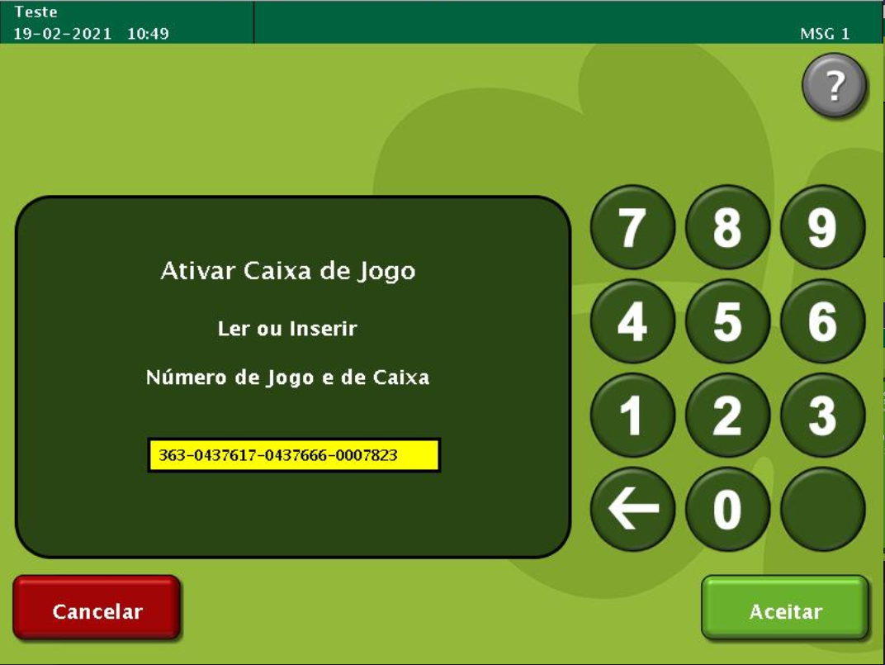
14+n | 15+n | 2 | Sales Representative Pass Code |  | 00 00 |  | 0
16+n | 16+n | 1 | Class (see below) |  | 01 |  | 1 | Carton Activation
17+n | 18+n | 2 | Game Number (000-999) |  | 01 6B |  | 363
19+n | 22+n | 4 | Carton Number (0000001-9999999) |  | 00 00 1E 8F |  | 7823 | 0007823
23+n | 26+n | 4 | Starting Pack Number (0000001-9999999) |  | 00 06 AD 71 |  | 437617 | 7 digitos (0437617)
27+n | 30+n | 4 | Ending Pack Number (0000001-9999999) |  | 00 06 AD A2 |  | 437666 | 7 digitos (0437666)
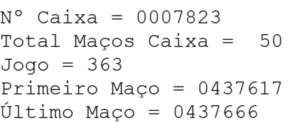

TestByte |  | Size | Field Contents
Start | End
1 | 1 | 1 | Control | Sequence | 23 | Control=0010 Sequence=0011 | 2 3 | Control -> x10 - Application Message Sequence -> 3
2 | 2 | 1 | Type = 13 | Subtype = 08 | D8 | Type=1101 Subtype=1000 | Type=13 Subtype=8 | Type = 13 Subtype = 8
3 | 4 | 2 | Checksum |  | .. | .. | .. | ..
5 | 7 | 3 | Time Stamp (seconds since midnight) |  | 00 9A A4 |  | 39588 | 10:59:48.
8 | 9 | 2 | Julian Date (3 digits, unsigned) |  | 00 32 |  | 50 | 31+19=50
10 | 12 | 3 | External Serial Number (8 digits, unsigned) |  | 94 7B 4A |  | .. | ..
13 | 13 | 1 | Check Digits (3 digits, unsigned) |  | 8C |  | .. | ..
14 | 14 | 1 | Result Code 1 (see below) |  | 00 |  | 0 | No Error (SUCCESS)
15 | 15 | 1 | Result Code 2 (see below) |  | 00 |  | 00
16 | 16 | 1 | Class (see below) |  | 01 |  | 1 | Carton activation
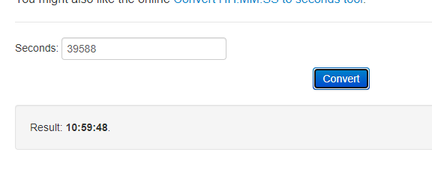
17 | 18 | 2 | Pack Count |  | 00 32 |  | 50 | 50 Maços foram activos com Sucesso

